Sheet1


PIONEER SERVICES

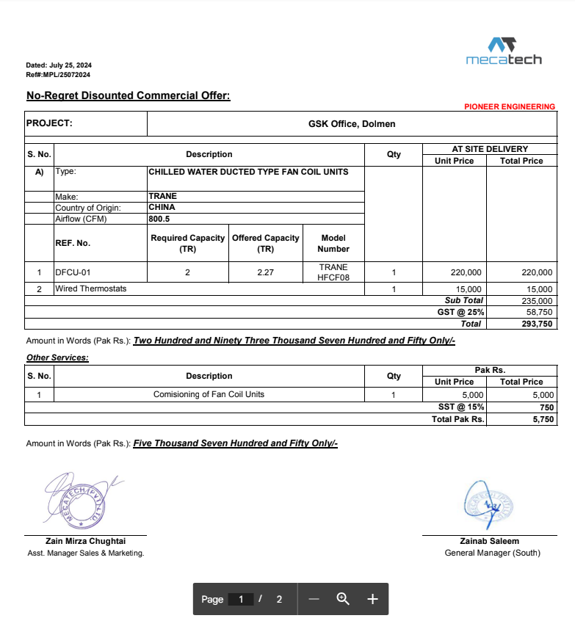

M/S Mecatech |  |  |  |  | 26-Jul-24
Att: Mr. Arsalan
PO # 245

Purchase Order against your quote MPL/25072024 |  |  |  |  |  | -

Supply of DFCU for the project GSK Office Dolmen Sky Tower Karachi |  |  |  |  |  | 660,000

S No. | D e s c r i p t i o n | Qty | Unit | Rate | Amount
1 | Supply of Trane made chilled water ducted type fan coil unit. Cooling Capacity 2 TON Offered Capacity 2.27 TON Trane Model HFCF08 | 1 | No | 220,000 | 220,000 | 284 | 332
Total Amount Rs |  |  |  |  | 220,000

Note: This PO is subject to meet all compliaces of the DFCU.

for Pioneer Engineering Services

 |  |  |  |  |  |  | -
 |  |  |  |  |  |  | -
 |  |  |  |  |  |  | -
 |  |  |  |  |  |  | -

 |  |  |  |  |  |  | -
 |  |  |  |  |  |  | -
 |  |  |  |  |  |  | -
 |  |  |  |  |  |  | -
 |  |  |  |  |  |  | -
 |  |  |  |  |  |  | -
 |  |  |  |  |  |  | -
 |  |  |  |  |  |  | -
 |  |  |  |  |  |  | -

